Admin
 |  |  |  | 15W SLC CLASS: 15-005 |  |  | ADMINISTRATIVE DATA |  |  |  |  |  |  |  |  |  |  |  |  |  |  |  |  |  |  |  |  | L
FALSE |  |  |  | STUDENT INFORMATION |  |  |  |  |  |  |  |  |  |  |  |  | CHAIN OF COMMAND INFORMATION |  |  |  |  |  | MISC. STUDENT INFORMATION
DROP | # | RANK | NAME | SSN | SEX | AGE | COMPLETE UNIT MAILING ADDRESS | POST | STATE | MOS | COMP | LDG BLDG # | RM # | CELL NUMBER | STUDENT E-MAIL ADDRESS | EDI NUMBER | BDE CDR | BDE CDR PHONE # |  | BDE CSM | BDE CSM PHONE # |  | PROFILE (Specify Type) | ALLERGIES | MEDICATIONS (List) | OVER 40? | Hot or Cold Weather Injury?
 |  |  | LAST, FIRST MI. |  |  |  |  |  |  |  |  |  |  |  |  |  |  |  | BDE CDR EMAIL |  |  | BDE CSM EMAIL
 | 1 |  | A |  | M | 25 |  |  |  |  |  |  |  |  |  |  |  |  |  |  |  |  | RUN
 | 2 |  | A |  | M | 32
 | 3 |  | A |  | M | 45 |  |  |  |  |  |  |  |  |  |  |  |  |  |  |  |  | PU
 | 4 |  | A |  | M | 28
 | 5 |  | A |  | M | 19 |  |  |  |  |  |  |  |  |  |  |  |  |  |  |  |  | SU/RUN
 | 6
 | 7
 | 8
 | 9
 | 10
 | 11
 | 12
 | 13
 | 14
 | 15
 | 16
 | 17
 | 18
 | 19
 | 20
 | 21
 | 22
 | 23
 | 24
 | 25
 | 26
 | 27
 | 28
 | 29
 | 30

 |  |  |  |  |  |  |  |  |  | 15P |  |  |  |  |  |  |  |  |  |  |  |  |  |  |  | YES | HOT
 |  |  |  |  |  |  |  |  |  | 15Q |  |  |  |  |  |  |  |  |  |  |  |  | PU |  |  | NO | COLD
 |  |  |  |  |  |  |  |  |  | 15W |  |  |  |  |  |  |  |  |  |  |  |  | SU
 |  |  |  |  |  |  |  |  |  |  |  |  |  |  |  |  |  |  |  |  |  |  | RUN
 |  | SGT |  |  |  |  |  |  |  |  |  |  |  |  |  |  |  |  |  |  |  |  | PU/RUN
 |  | SSG |  |  | M |  |  |  |  |  | RA |  |  |  |  |  |  |  |  |  |  |  | SU/RUN
 |  | SFC |  |  | F |  |  |  |  |  | NG
 |  |  |  |  |  |  |  |  |  |  | RES

Alt Test Info and Arrays
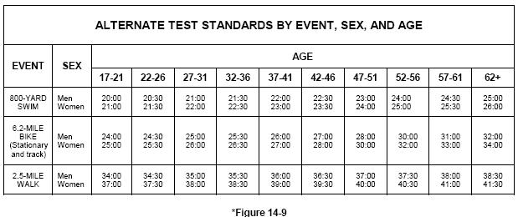
Array constants |  |  | M | SGT | 15E ALC
17 | 2 MILE RUN | RUN | F | SSG | 15P ALC
22 | PUSHUP | _PU |  | SFC | 15P SLC
27 | SITUP | _SU |  | MSG | 15Q ALC
32 |  |  |  | 1SG | 15Q SLC
37 |  |  |  | SGM | 15W ALC
42 |  |  |  | CSM | 15W SLC
47 |  |  |  |  | 15Z SLC
52
57
62

